Forecast Comparison
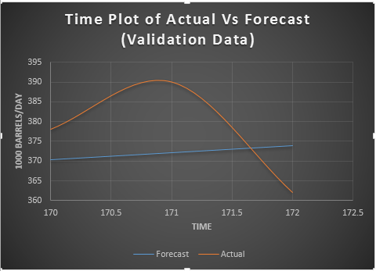
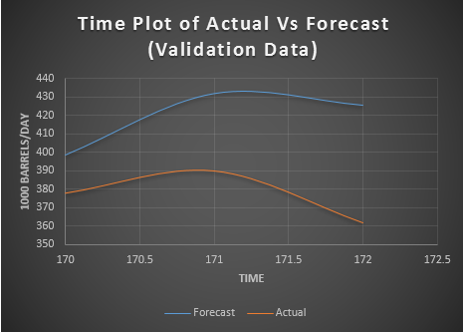
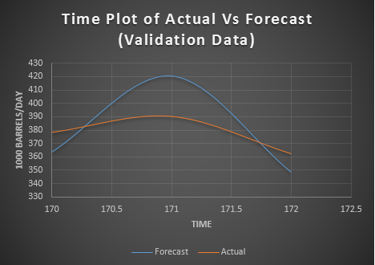
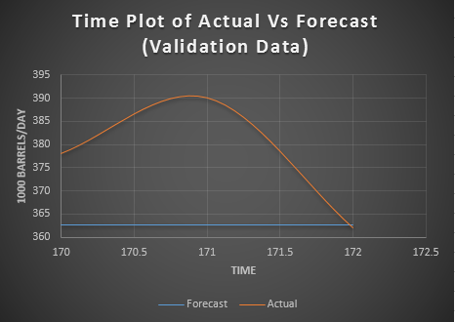
AR(2) |  |  |  | 0.95 % Confidence Level |  | Holt-Winter |  |  |  |  |  | Exponential |  |  |  |  |  | Double Exponential
Time | Actual | Forecast | Error | Lower | Upper | Time | Actual | Forecast | Error | LCI | UCI | Time | Actual | Forecast | Error | LCI | UCI | Time | Actual | Forecast | Error | LCI | UCI
170 | 378 | 398.37663768 | -20.376637678 | 513.85753569 | 282.89573967 | 170 | 378 | 363.26718904 | 14.732810957 | 232.20684929 | 494.32752879 | 170 | 378 | 362.58870243 | 15.411297573 | 237.67772056 | 487.49968429 | 170 | 378 | 370.34518924 | 7.6548107614 | 245.06695735 | 495.62342112
171 | 390 | 431.75222791 | -41.752227912 | 547.34895522 | 316.1555006 | 171 | 390 | 420.22512198 | -30.225121983 | 285.75373 | 554.69651396 | 171 | 390 | 362.58870243 | 27.411297573 | 235.15094084 | 490.02646402 | 171 | 390 | 372.13482526 | 17.865174745 | 244.09413325 | 500.17551727
172 | 362 | 425.43130404 | -63.431304037 | 542.72209988 | 308.14050819 | 172 | 362 | 348.2152712 | 13.784728804 | 210.13174996 | 486.29879243 | 172 | 362 | 362.58870243 | -0.58870242685 | 232.67329623 | 492.50410862 | 172 | 362 | 373.92446127 | -11.924461272 | 243.10491265 | 504.74400989

